Master
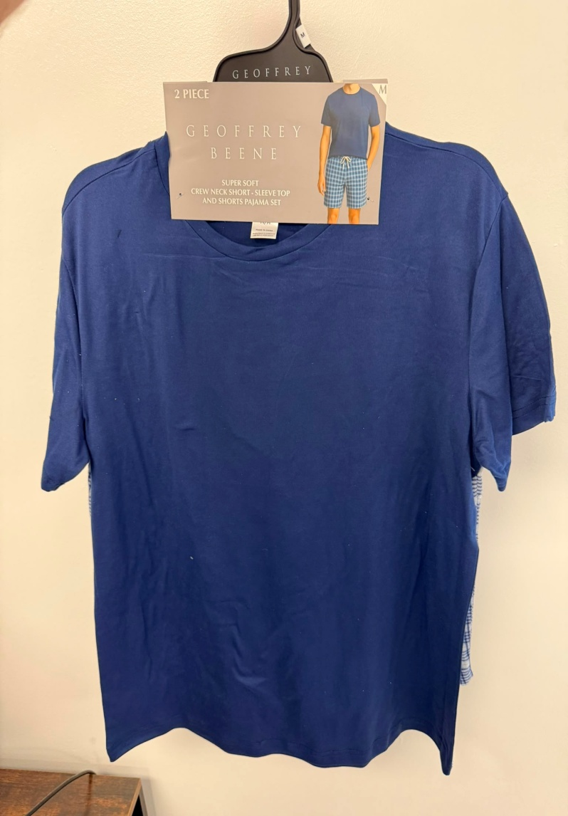
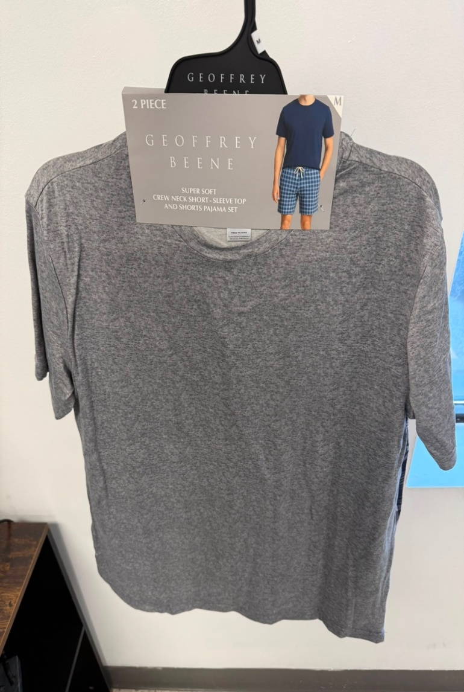
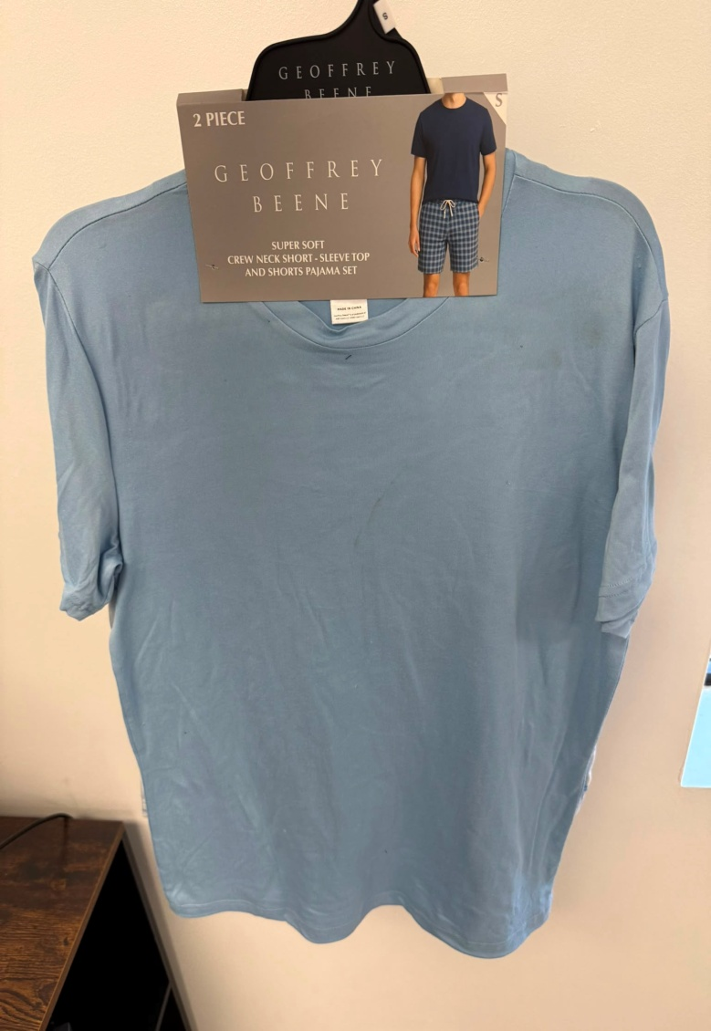
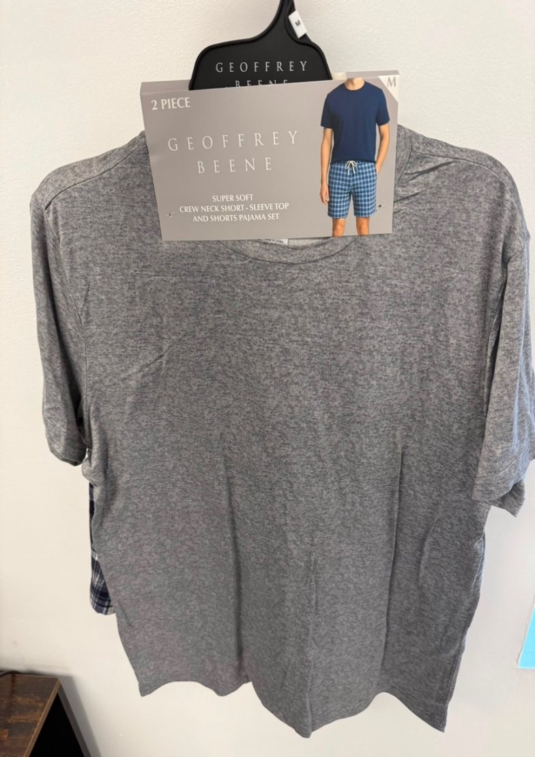
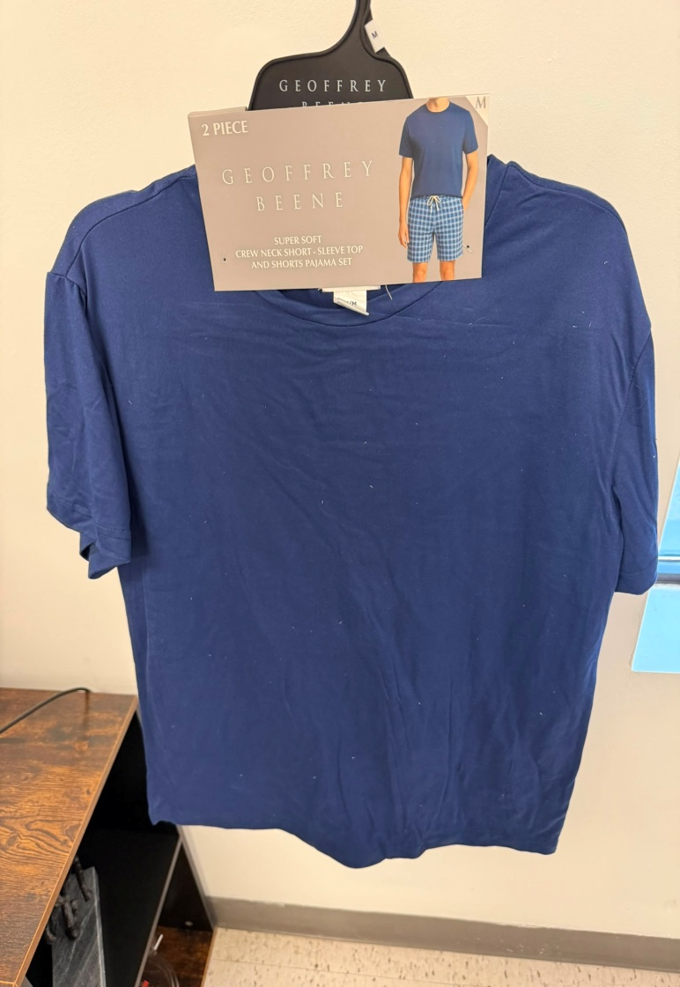
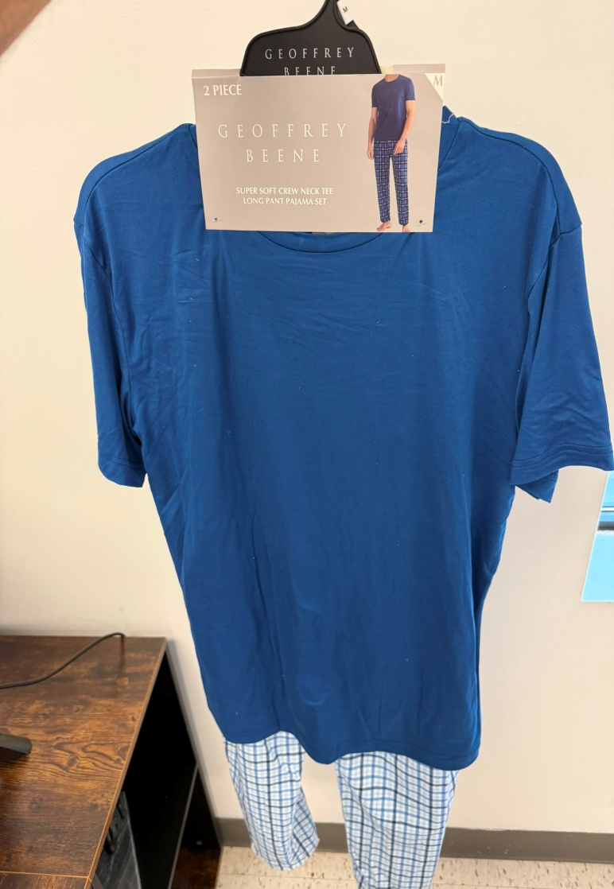
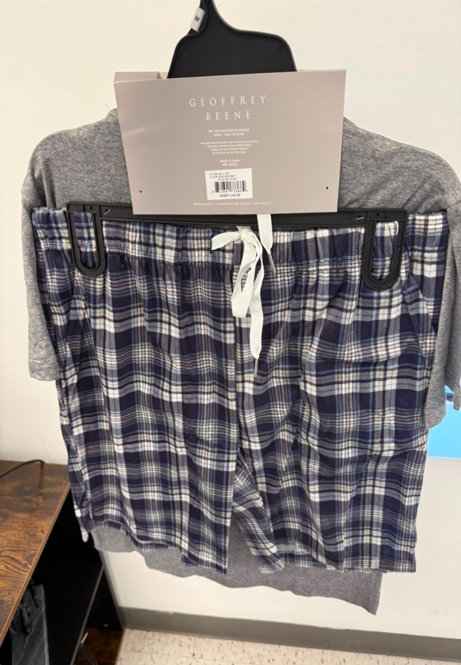
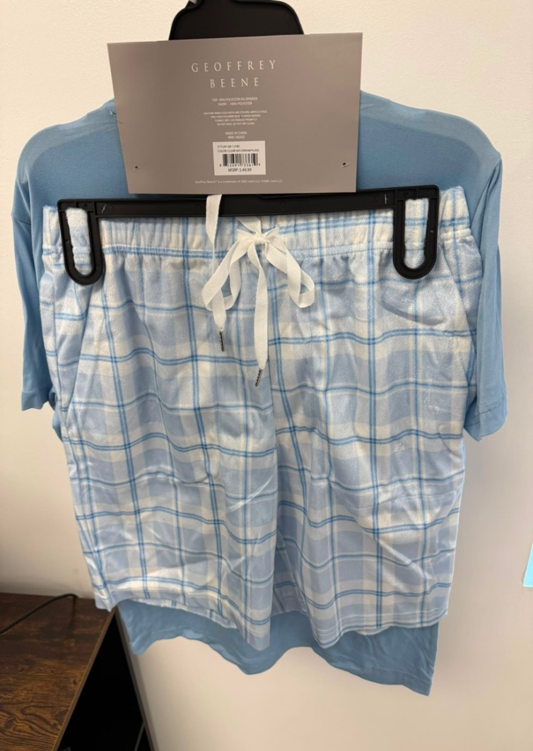
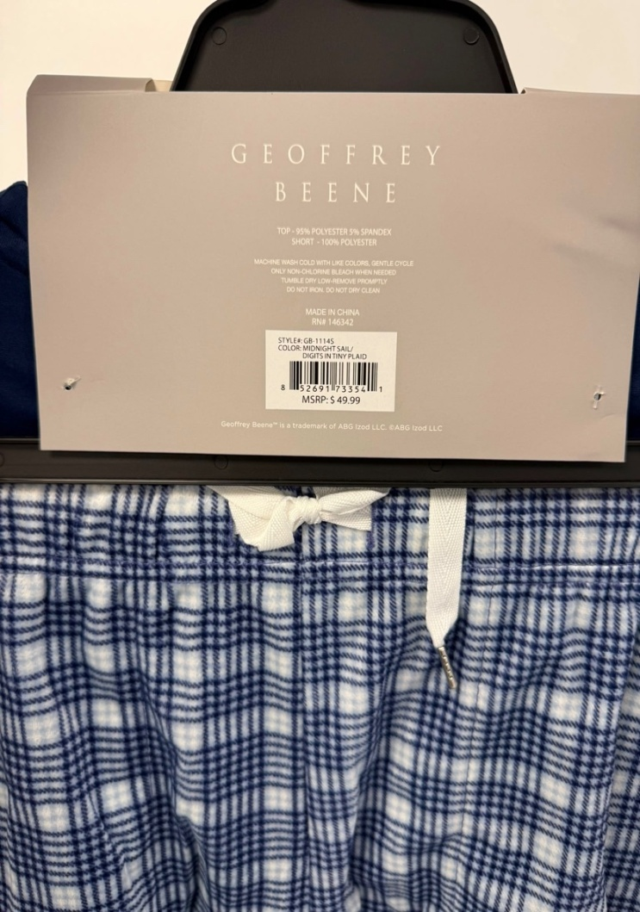
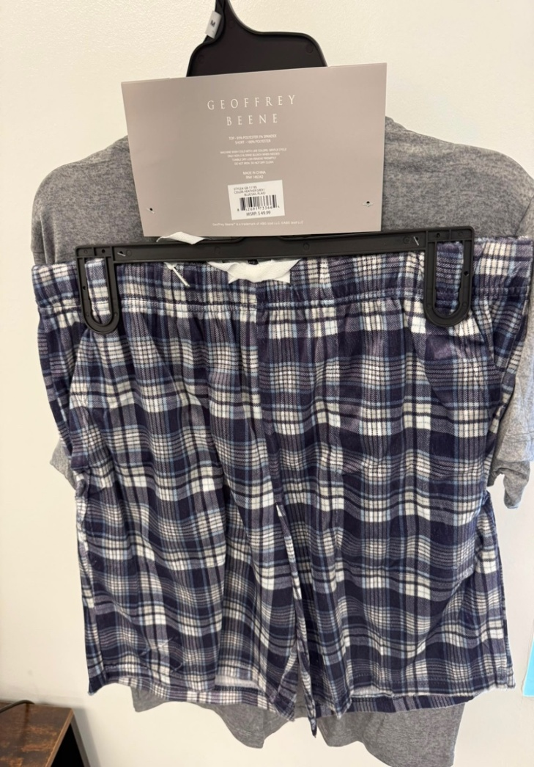
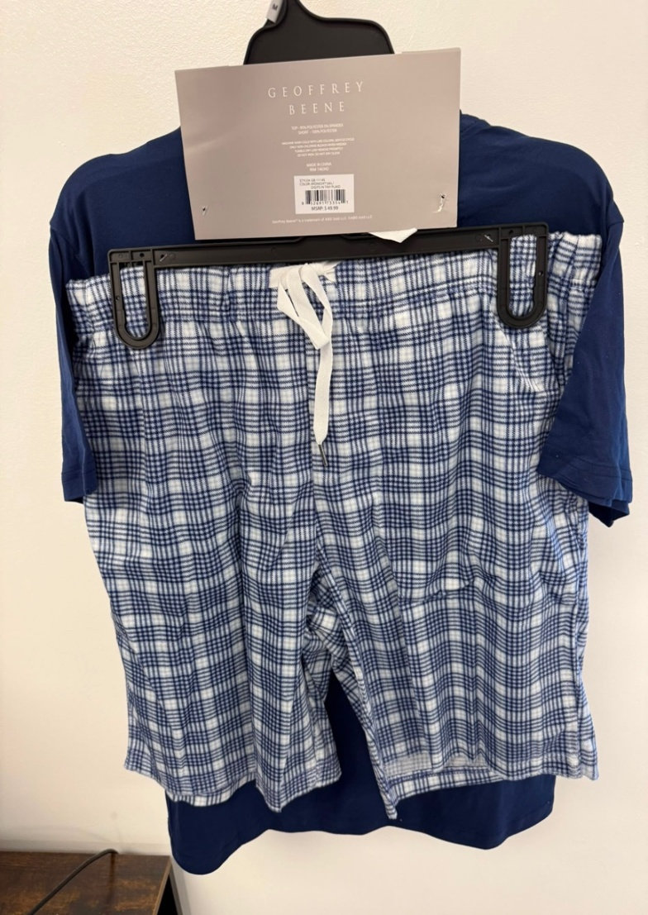
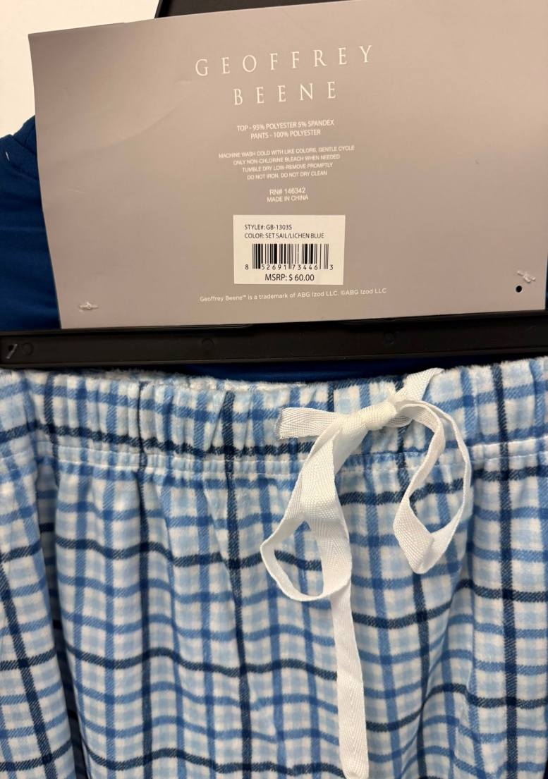
Geoffrey Beene Men's Pyjama Sets.
FOB Toronto,ON.

Solid style per case (as shown)
Standard...SIZING S-M-L-XL/ 1-2-2-1(unless stated otherwise)
APPAREL CASE PACKS - 24
(all subject to final count at time of sale - subject to prior sale)
Sets come on hangers, with upc, and retail labels
Sets are pre-priced with the MSRP listed.
all with hang tags and upc's

GEOFFREY BEENE MEN'S PAJAMA SETS
Style# | Images | Description | Fabric Composition | Retail $ | Colour / Print | Size Ratio |  |  |  | Case Pack | QTY
 |  |  |  |  |  | S | M | L | XL
GB-1114S | 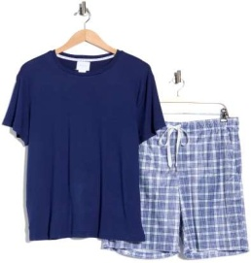 | Geoffrey Beene Men's Crewneck Tee & Shorts Pajama Set | TOP: 95% POLYESTER, 5% SPANDEX SHORT: 100%polyester | $49.99 | BLUE | 1 | 2 | 2 | 1 | 24 | 4,224
GB-1115S | 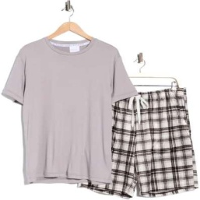 | Geoffrey Beene Men's Crewneck Tee & Shorts Pajama Set | TOP: 95% POLYESTER, 5% SPANDEX SHORT: 100%polyester | $49.99 | BLW | 1 | 2 | 2 | 1 | 24 | 1,584
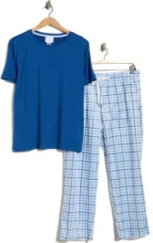
GB-1119S | 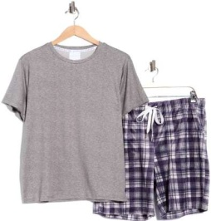 | Geoffrey Beene Men's Crewneck Tee & Shorts Pajama Set | TOP: 95% POLYESTER, 5% SPANDEX SHORT: 100%polyester | $49.99 | GRA | 1 | 2 | 2 | 1 | 24 | 3,984
GB-1278S | 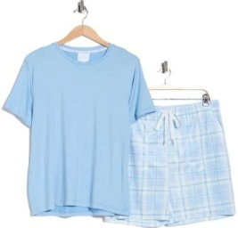 | Geoffrey Beene Men's Crewneck Tee & Shorts Pajama Set | TOP: 95% POLYESTER, 5% SPANDEX SHORT: 100%polyester | $49.99 | 405 | 1 | 2 | 2 | 1 | 24 | 4,224
GB-1303S |  | Men's Crewneck T-Shirt & Plaid Pajama Pants Set | TOP: 95% POLYESTER 5% SPANDEX PANT: 100%polyester | $60.00 | BLM | 1 | 2 | 2 | 1 | 24 | 2,172
GB-1304S |  | Men's Crewneck T-Shirt & Plaid Pajama Pants Set | TOP: 95% POLYESTER 5% SPANDEX PANT: 100%polyester | $60.00 | BLW | 1 | 2 | 2 | 1 | 24 | 1,608

